Instructions
Reporting template for entities with cross-border activity (freedom to provide investment services and activities)

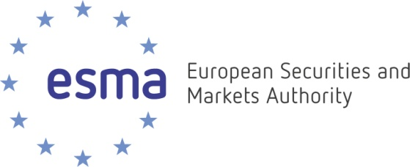

Notification for FCs and NFCs

Instructions for the completion of this file

The reporting template is composed of two parts: - Part 1: Information on the firm and contact person within the firm for this reporting template - Part 2: Detailed information on passporting activities that the firm is actually providing in other Member States to retail clients (and retail clients treated as professionals) Important - 30 separate work sheets have been prepared for each separate Member State. Firms however need to fill in information ONLY for those Member States where they reach the materiality threshold of 50 retail clients (including retail clients treated as professionals) - the information provided should only refer to services and activities provided to retail clients (including retail clients treated as professionals) - the information provided should only refer to services and activities provided on a "freedom to provide services" basis and should not include services and activities provided on a "freedom of establishment" basis - data should be provided with reference date 31/12/2020.

The completed reporting template should be returned via Cryptshare to EPuitvraag2021@afm.nl by 17 September 2021

